Sheet1
Facebook messenger

Data Partitioning
cache
Requirement
Capacity Estimation and Constraints
fault tolerance and replication
Detailed Component Design

functional
non-functional
based on userid
based on messageId
manage user status
after connection failed make users retry connections
1- user A chat with user B
2- user can see online friends
3- user can follow other people
4- user can get messages after become online
5- user can view chat history
+ users can create and join chat groups
+ user notified for new messages
1- high uptime (availability)
2- highly reliable
3- min latency
4- user should see same chat history through different devices
detailed workflow
message handling
store messages

1- user A send message to user B
2- server receive user A message
3- server send A message to B
4- server send acknowledgement to user B
push
pull
HBase

load balancing

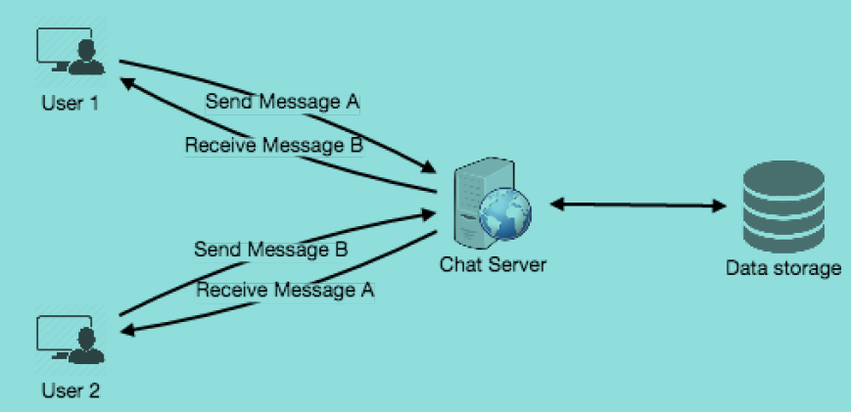
high level design

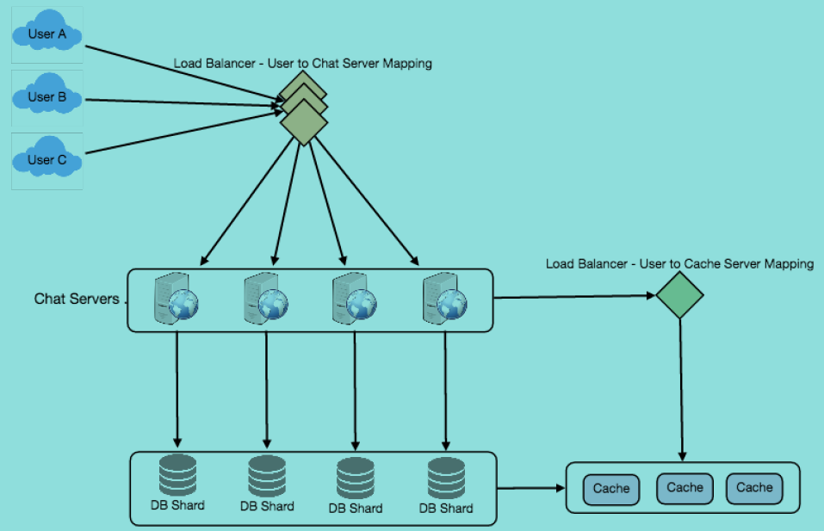

seperate read and write requests make db and operations scalability easier

